UOMO
IMMAGINI | SKU | PAIA | 4 | 4½ | 5 | 5½ | 6 | 6½ | 7 | 7½ | 8 | 8½ | 9 | 9½ | 10 | 10½ | 11 | 11½ | 12 | WHS | RTL | TOT WHS | TOT RTL
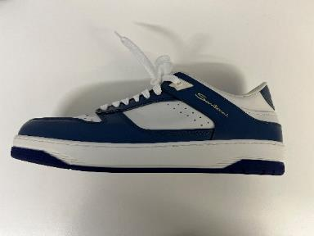 | MBSA22247BAVGYS2U59 | 92 |  |  |  |  | 5 | 4 | 9 | 5 | 11 | 4 | 14 | 7 | 10 | 8 | 8 | 7 |  | 310.00 € | 750.00 € | 28,520.00 € | 69,000.00 €
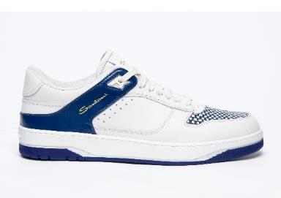 | MBSA22247BBLGDU2U53 | 129 |  |  |  |  | 15 | 14 | 30 | 26 | 23 | 11 | 1 |  | 6 | 3 |  |  |  | 310.00 € | 750.00 € | 39,990.00 € | 96,750.00 €
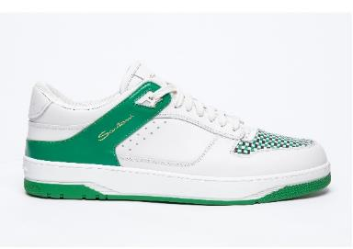 | MBSA22247BIVGMD2I75 | 115 |  |  |  |  | 10 | 9 | 16 | 15 | 15 | 10 | 9 | 4 | 15 | 5 | 5 |  | 2 | 310.00 € | 750.00 € | 35,650.00 € | 86,250.00 €
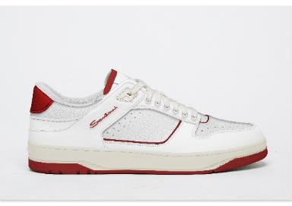 | MBSA22247BRSGMD2I60 | 111 |  |  |  |  | 11 | 11 | 8 | 6 | 14 | 6 | 15 | 7 | 13 | 7 | 8 | 3 | 2 | 310.00 € | 750.00 € | 34,410.00 € | 83,250.00 €
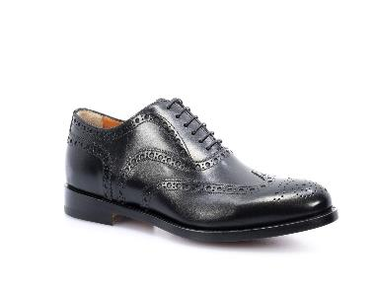 | MCOS08150JB7KTIZN01 | 252 |  |  | 3 |  | 8 | 9 | 9 | 16 | 40 | 41 | 32 | 38 | 28 | 11 | 15 | 2 |  | 420.00 € | 990.00 € | 105,840.00 € | 249,480.00 €
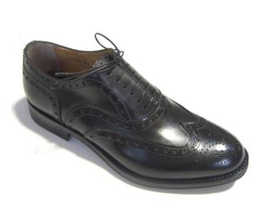 | MCOS08150JB7KTIZT50 | 79 |  |  | 3 | 2 | 4 | 3 | 8 | 7 | 5 | 9 | 6 | 11 | 7 | 4 | 6 | 2 | 2 | 420.00 € | 990.00 € | 33,180.00 € | 78,210.00 €
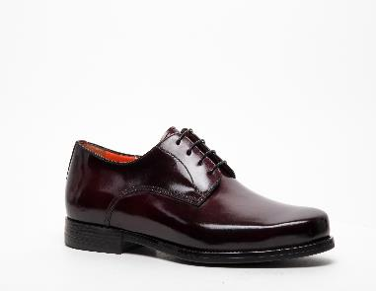 | MGHR18261SMOBPJRN01 | 68 |  |  |  |  |  |  | 2 | 2 |  | 2 | 15 | 16 | 17 | 8 | 3 | 3 |  | 395.00 € | 950.00 € | 26,860.00 € | 64,600.00 €
 |  | 846 |  |  |  |  |  |  |  |  |  |  |  |  |  |  |  |  |  |  |  | 304,450.00 € | 727,540.00 €

